Sheet1
Day | Outlook | Temperature | Humidity | Wind | Play Golf |  |  | Weather
D1 | Sunny | Hot | High | Weak | No |  |  | Sunny | Rain
D2 | Sunny | Hot | High | Strong | No |  | Play Golf | Yes | No
D3 | Overcast | Hot | High | Weak | Yes
D4 | Rain | Mild | High | Weak | Yes
D5 | Rain | Cool | Normal | Weak | Yes
D6 | Rain | Cool | Normal | Weak | No |  | Exceptions | Weather
D7 | Overcast | Cool | Normal | Strong | Yes |  |  | Sunny |  | Rain
D8 | Sunny | Mild | High | Weak | No |  | Probability | 0.8 | 0.2 | 0.6 | 0.4
D9 | Sunny | Cool | Normal | Weak | Yes |  | Play Golf | Yes | No | Yes | No
D10 | Rain | Mild | Normal | Weak | Yes
D11 | Sunny | Mild | Normal | Strong | Yes
D12 | Overcast | Mild | High | Strong | Yes |  |  | Weather
D13 | Overcast | Hot | Normal | Weak | Yes |  |  | Mon | Tue | Wed | Thur | Fri | Sat
D14 | Rain | Mild | High | Strong | No | Output | Played Golf | Yes | No | Yes | No | Yes | No
 |  |  |  |  |  |  |  | ↓ | ↓ | ↓ | ↓ | ↓ | ↓
 |  |  |  |  |  | Input | Predict | Sunny | Rain | Sunny | Rain | Sunny | Rain

 |  |  |  |  |  | Is this Likely Sequence? |  | Sunny | Rain | Sunny | Rain | Sunny | Rain

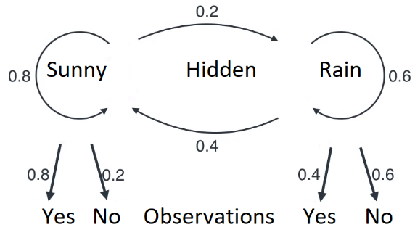
 |  |  |  |  |  | Can we do better?
 |  |  |  |  |  | What if we know the probabilities?
 |  |  |  |  |  |  | Hidden Markov Model
 |  |  |  |  |  |  |  |  |  | Hidden Transition Probabilities
 |  |  |  |  |  |  |  | Weather |  |  |  | Weather
 |  |  |  |  |  |  |  | Sunny |  | 0.8 ↔ 0.2 | 0.4 ↔ 0.6 | Rain
 |  |  |  |  |  |  |  | Emission Probabilities |  |  |  | Emission Probabilities
 |  |  |  |  |  |  |  | 0.8 | 0.2 |  |  | 0.4 | 0.6
 |  |  |  |  |  |  | Play Golf | Yes | No | Observations |  | Yes | No

 |  |  |  |  |  | Question 1 | How did we determine these Transition and Emission Probabilites?
 |  |  |  |  |  | Data
 |  |  |  |  |  | Sunny | Sunny | Sunny | Sunny | Rain | Rain | Rain | Sunny | Sunny | Sunny | Sunny | Rain | Rain | Sunny | Sunny | Sunny

